Import to clean units at UCPH
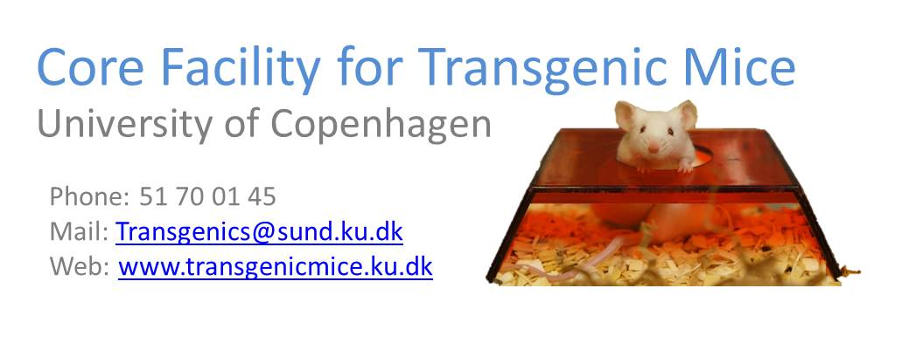 Import to clean units at UCPH
 | v3

 | Customer information
 | Date (YY-MM-DD)

 | Name |  |  |  |  | Name of group leader

 | Email |  |  |  |  | Email

 | AEM account
 |  | Contact us if you dont have one
 | Line information

 | Name

 | Origin/Reference

 | Type of mutation

 | Major phentypes

 | Animals unit information

 | Name of permit holder

 | Experimental permit

 | Breeding permit

 | Re-derive to animal unit

 | Import

 | Animals |  |  | Fill out Section A

 | Sperm |  |  | Fill out Section B

 | Embryos |  |  | Fill out Section C

 | Section A |  |  | Re-derive by |  |  | Cross/IVF with

 | Animals | Males |  | Natural mating |  |  | C57BL/6N |  | Other |  | Specify

 |  | Females |  | Sperm extraction + IVF |  |  | C57BL/6N |  | Other |  | Specify

 |  |  |  | Oocyte extraction + IVF |  |  | C57BL/6N |  | Other |  | Specify

 | Animal ID | Gender | Date of birth |  | Genotype | Genetic back ground |  |  |  | Crossed before ?

 | Section B |  |  | Re-derive by |  |  | IVF with
 | Sperm |  |  | IVF |  |  | C57BL/6N |  | Other |  | Specify

 | Section C |  |  | Re-derive by
 | Embryos |  |  | Embryo transfer

 | Comments

 | Additional options
 |  | At finished service i wish to cryopreserve the line by sperm freezing

 | By default your line will be added to the Copenhagen University Mouse Library |  |  |  |  |  | (CUML) | If you do not wish to do so please mark the box below
 | This line cannot be added to the Copenhagen Mouse Library

Please send this form to Transgenics@sund.ku.dk

