Embryo cryopreservation
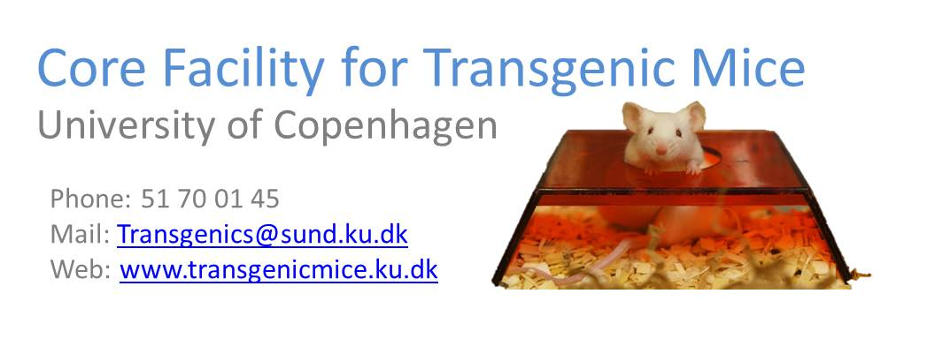 Embryo cryopreservation
 | v3

 | Customer information
 | Date (YY-MM-DD)

 | Name |  |  |  | Name of group leader

 | Email |  |  |  | Email

 | AEM account
 |  | Contact us if you do not have one

 | Line information

 | Name

 | Origin/Reference

 | Type of mutation

 | Major phentypes

 | Animals
 | Animal ID | Gender | Date of birth | Genotype | Genetic back ground |  |  | Crossed before ?

 |  |  |  |  |  | Cross with
 |  |  |  |  |  | C57BL/6N | Other |  | Specify

 | Comments

Please send this form to Transgenics@sund.ku.dk

